SHELL-TI DEFINITIONS
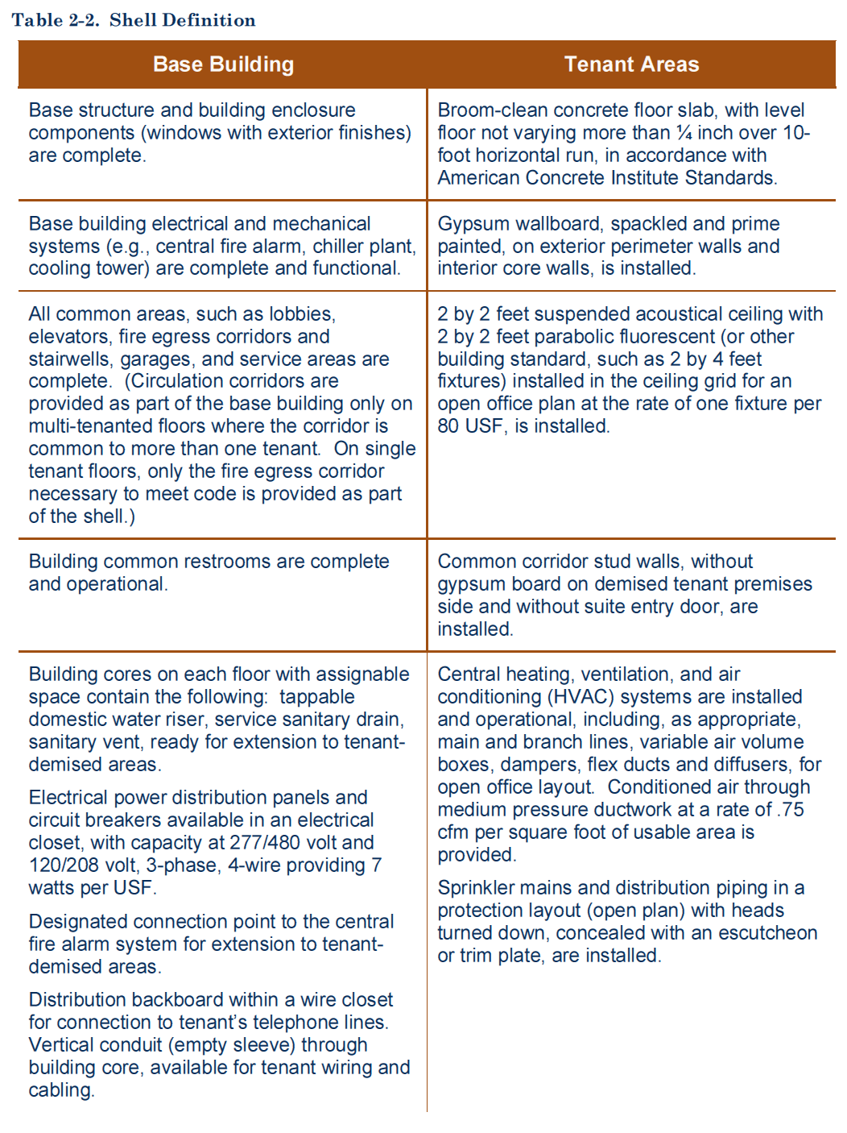
Per GSA Pricing Desk Guide, 4th Edition.

